KSP (Chicken)
DATE | INV NO. | DESCRIPTIONS | QTY | BILLS | PRICE | SUB TOTAL | TOTAL
3-Feb-2026 | BO0365/PRN-R/2026 | BONELESS BREAST TK SP | 10.2 | 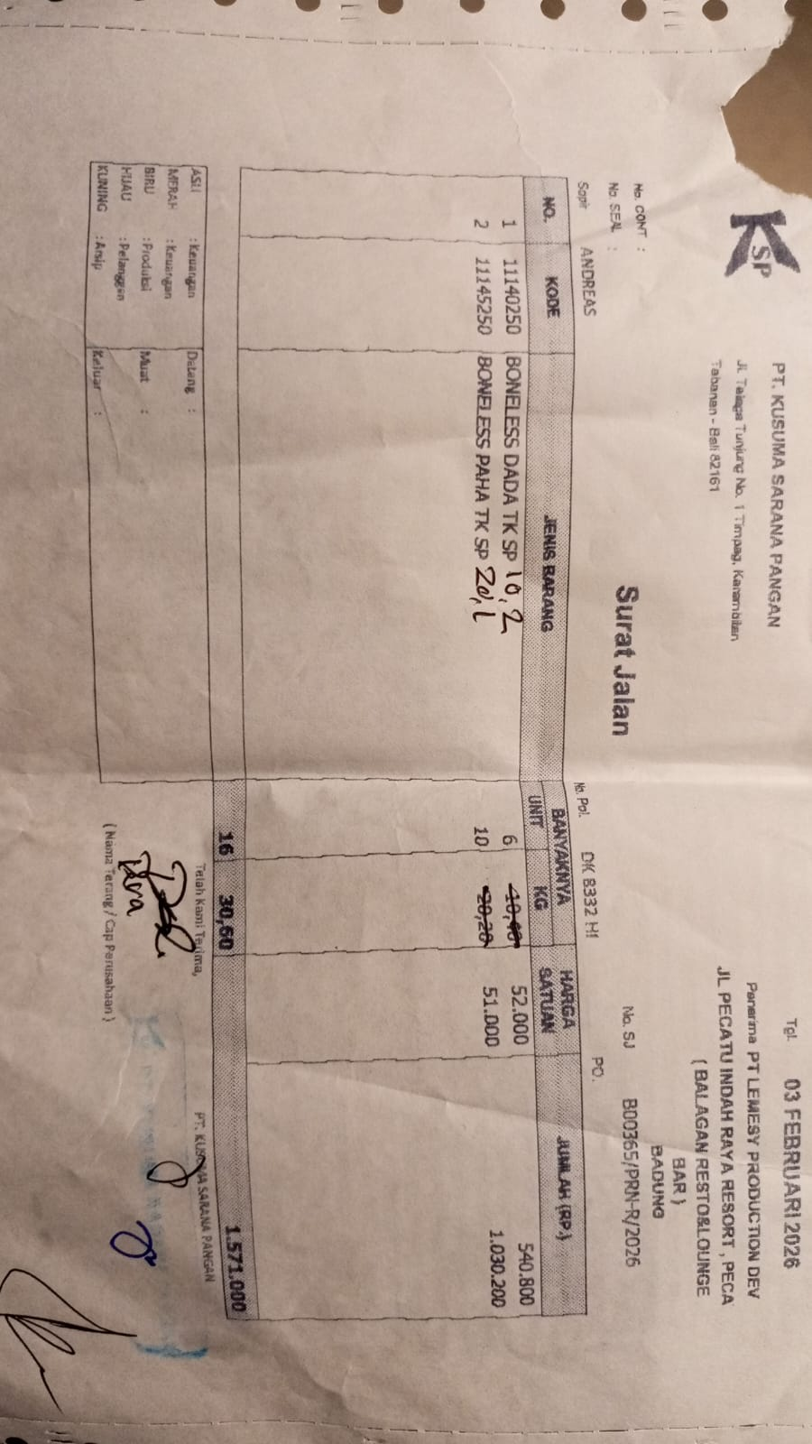 | IDR 52,000 | IDR 530,400 | IDR 1,555,500
 |  | BONELESS LEG TK SP | 20.1 |  | IDR 51,000 | IDR 1,025,100
6-Feb-2026 | BO0412/PRN-R/2026 | BONELESS BREAST TK SP | 5.1 | 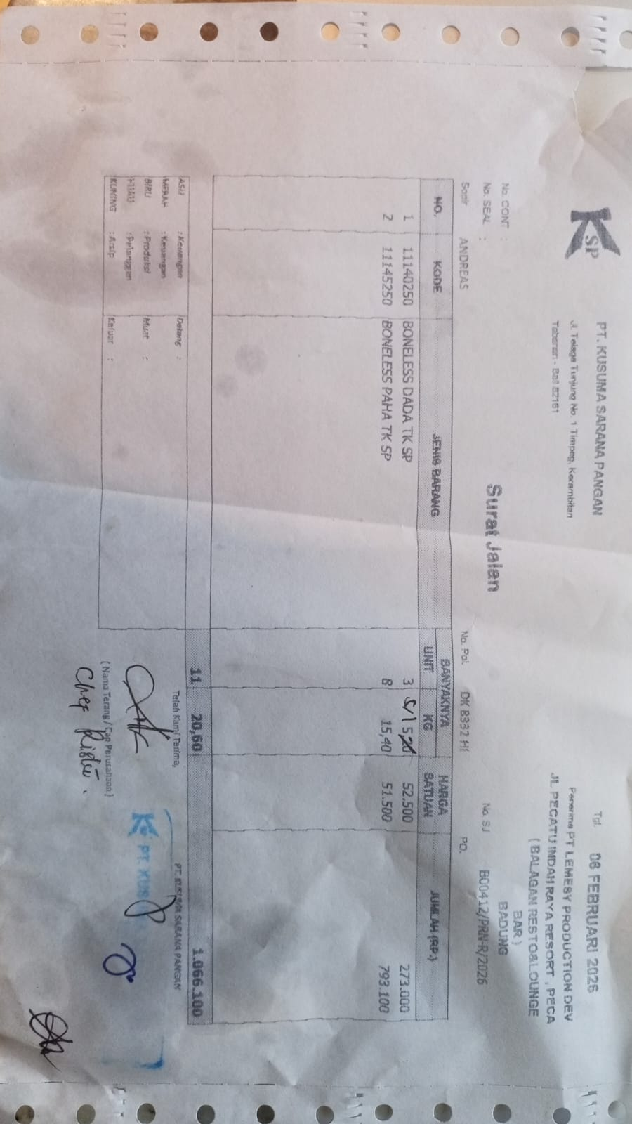 | IDR 52,500 | IDR 267,750 | IDR 1,060,850
 |  | BONELESS LEG TK SP | 15.4 |  | IDR 51,500 | IDR 793,100
11-Feb-2026 | BO0482/PRN-R/2026 | BONELESS BREAST TK SP | 9.7 | 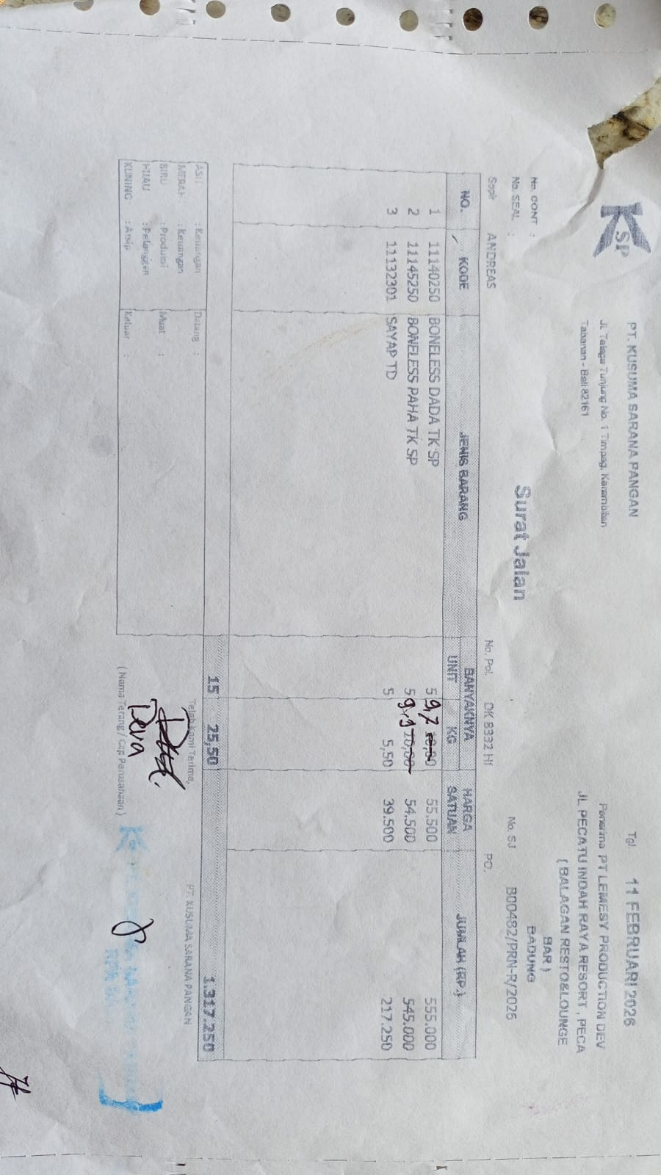 | Rp55,500 | IDR 538,350 | IDR 1,295,150
 |  | BONELESS LEG TK SP | 9.9 |  | Rp54,500 | IDR 539,550
 |  | WINGS TD | 5.5 |  | Rp39,500 | IDR 217,250
17-Feb-2026 | BO0557/PRN-R/2026 | BONELESS BREAST TK SP | 5.1 | 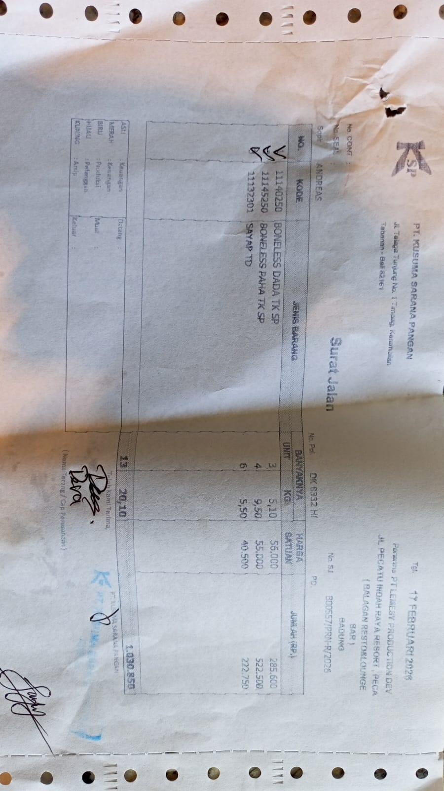 | Rp56,000 | Rp285,600 | Rp1,030,850
 |  | BONELESS LEG TK SP | 9.5 |  | Rp55,000 | Rp522,500
 |  | WINGS TD | 5.5 |  | Rp40,500 | Rp222,750
24-Feb-2026 | BO0646/PRN-R/2026 | BONELESS BREAST TK SP | 4.9 | 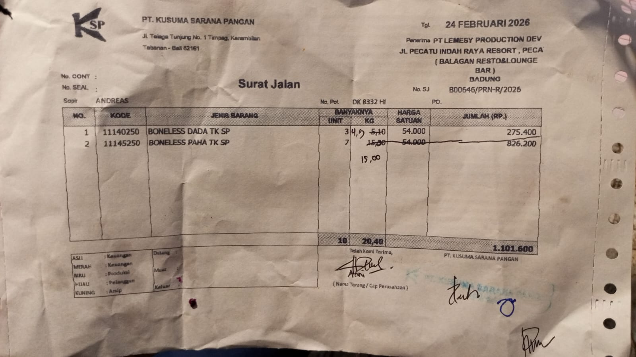 | Rp54,000 | Rp264,600 | Rp1,074,600
 |  | BONELESS LEG TK SP | 15 |  | Rp54,000 | Rp810,000
27-Feb-2026 | BO0707/PRN-R/2026 | BONELESS BREAST TK SP | 5.3 | 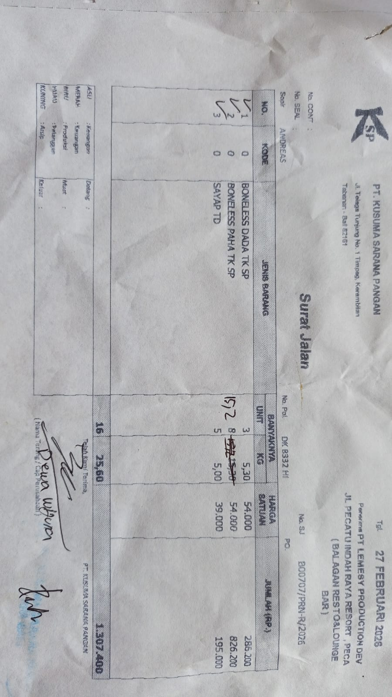 | Rp54,000 | Rp286,200 | Rp1,302,000
 |  | BONELESS LEG TK SP | 15.2 |  | Rp54,000 | Rp820,800
 |  | WINGS TD | 5 |  | Rp39,000 | Rp195,000

GRAND TOTAL |  |  |  |  |  |  | Rp7,318,950

